CK cinture
 | TOTALE CINTURE UOMO |  | 6762 | SPECIAL PRICE TO TAKE ALL THE STOCK |  |  |  | 18.5

TYPE | CATGORY | GENDER | BRAND | ITEM | SKU | DESCRIPTION | COMPOSITION | COLOR | SIZE | QTY | QTY REF | MADE | BARCODE 1 | HTS CODE | IMAGE
SU31 | CINTURA UOMO | MEN | CALVIN KLEIN | SU31CK0005 | Double D19 NKT | Reversible Belt | 100%Leather | Black/Brown | UNI | 376 | 376 | Made in Italy | 2000037802774 | 4203.30.00
SU31 | CINTURA UOMO | MEN | CALVIN KLEIN | SU31CK0006 | D14 Double NKT | Reversible Belt | 100%Leather | Black/Brown | UNI | 754 | 754 | Made in Italy | 2000037802781 | 4203.30.00
SU31 | CINTURA UOMO | MEN | CALVIN KLEIN | SU31CK0007 | D22 Double NKS | Reversible Belt | 100%Leather | Black/Brown | UNI | 838 | 838 | Made in Italy | 2000037802798 | 4203.30.00 | 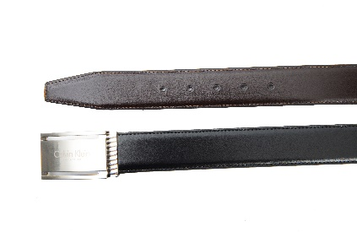
SU31 | CINTURA UOMO | MEN | CALVIN KLEIN | SU31CK0008 | D46 Double NKT | Reversible belt | 100%Leather | Black/Brown | UNI | 1085 | 1085 | Made in Italy | 2000037802804 | 4203.30.00 | 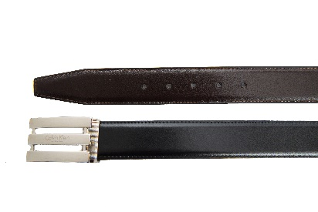
SU31 | CINTURA UOMO | MEN | CALVIN KLEIN | SU31CK0009 | D16 NKS | Reversible Belt | 100%Leather | Black/Brown | UNI | 346 | 346 | Made in Italy | 2000037802811 | 4203.30.00 | 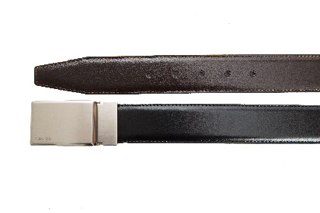
SU31 | CINTURA UOMO | MEN | CALVIN KLEIN | SU31CK0010 | D17 CF NKS | Reversible Belt | 100%Leather | Black/Brown | UNI | 785 | 785 | Made in Italy | 2000037802828 | 4203.30.00
SU31 | CINTURA UOMO | MEN | CALVIN KLEIN | SU31CK0012 | D45 Double NKT | Reversible Belt | 100%Leather | Black/Brown | UNI | 187 | 187 | Made in Italy | 2000037802842 | 4203.30.00
SU31 | CINTURA UOMO | MEN | CALVIN KLEIN | SU31CK0013 | D46 Double CF | Reversible Belt | 100%Leather | Black/Brown | UNI | 530 | 530 | Made in Italy | 2000037802859 | 4203.30.00 | 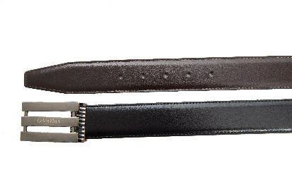
SU31 | CINTURA UOMO | MEN | CALVIN KLEIN | SU31CK0014 | 18296 | Reversible Belt | 100%Leather | Black/Brown | UNI | 206 | 206 | Made in Italy | 2000037802866 | 4203.30.00 | 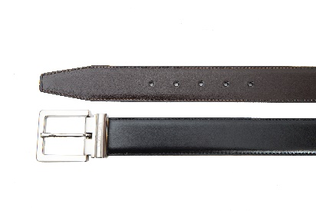
SU31 | CINTURA UOMO | MEN | CALVIN KLEIN | SU31CK0015 | D15 Double NKS | Reversible Belt | 100%Leather | Black/Brown | UNI | 686 | 686 | Made in Italy | 2000037802873 | 4203.30.00 | 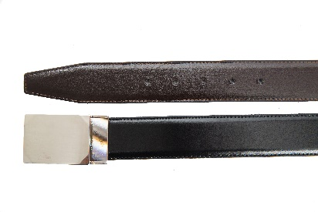
SU31 | CINTURA UOMO | MEN | CALVIN KLEIN | SU31CK0016 | D46 NKS | CINTURA DOUBLE | 100%Leather | Black/Brown | UNI | 424 | 424 | Made in Italy | 2000037961679 | 4203.30.00
SU31 | CINTURA UOMO | MEN | CALVIN KLEIN | SU31CK0017 | D45 NKS | Reversible Belt | 100%Leather | Black/Brown | UNI | 343 | 343 | Made in Italy | 2000037966575
SU31 | CINTURA UOMO | MEN | CALVIN KLEIN | SU31CK1023 | D21 double (p) | CINTURA | 100% Leather | MORO/NERO | UNI | 5 | 5 | Made in italy | 2000030459531 | 4203.30.00 | 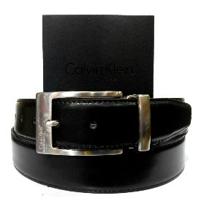
SU31 | CINTURA UOMO | MEN | CALVIN KLEIN | SU31CK1026 | D45 double (p) | CINTURA | 100% Leather | LOGO P.NK ne/mo | UNI | 4 | 4 | Made in italy | 2000031832906 | 4203.30.00
SU31 | CINTURA UOMO | MEN | CALVIN KLEIN | SU31CK1029 | Double D19 | CINTURA | 100% LT | NERO/T.MORO | 125 | 3 | 3 | MADE IT | 2000031807133 | 4203.30.00 | 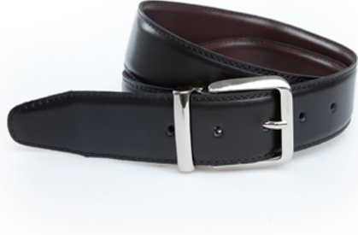
SU31 | CINTURA UOMO | MEN | CALVIN KLEIN | SU31CK1037 | D23 NKS | CINTURA | 100% LT | NERO/MORO | UNI | 190 | 190 | MADE IT | 2000032290385 | 4203.30.00

